TBC03-1-2
Input
 | Name of Arrangement |  | Be Bold on Your Birthday |  | Be Bold on Your Birthday |  | Be Bold on Your Birthday |  | Be Bold on Your Birthday | From Andrea
 | Size of Arrangement |  | Standard |  | Deluxe |  | Premium |  | Exquisite | From Andrea
 | SRP |  | $87.99 |  | $109.99 |  | $136.99 |  |  | From Andrea
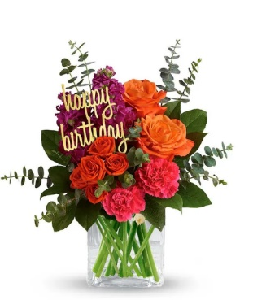
 | Total SRP of Bundle |  | $87.99 |  | $109.99 |  | $136.99 |  | $-

 | Member Profitability
 | SRP |  | $87.99 |  | $109.99 |  | $136.99 |  | $-
 | Less Commission (20%) |  | $(17.60) |  | $(22.00) |  | $(27.40) |  | $- |  | SRP | $54.99 | $64.99 | $74.99
 | Less C/H Fee (9%) |  | $(7.92) |  | $(9.90) |  | $(12.33) |  | $- |  | Total Gross Margin | $(5.50) | $(2.99) | $(1.29)
 | Less UCP Fee |  | $(4.99) |  | $(4.99) |  | $(4.99) |  | $(4.99) |  | Gross Margin % | -10% | -5% | -2%
 | Less Transmission Fee |  | $(2.75) |  | $(2.75) |  | $(2.75) |  | $(2.75)
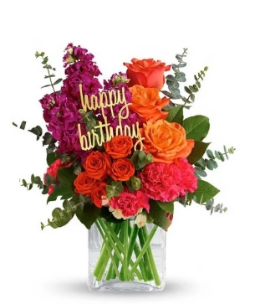
 | Less Delivery Fee |  | $(10.00) |  | $(10.00) |  | $(10.00) |  | $(10.00)
 | Less Labor (10%) |  | $(8.80) |  | $(11.00) |  | $(13.70) |  | $-
 | Less Other |  | $(3.00) |  | $(3.00) |  | $(3.00) |  | $(3.00)
 | Less Hardgood |  | $(6.00) |  | $(6.00) |  | $(6.00) |  | $(6.00)
 | Less Floral Cost |  | $(12.30) |  | $(15.89) |  | $(20.29) |  | $-
 | Total Gross Margin |  | $14.63 |  | $24.46 |  | $36.53 |  | $(26.74)
 | Gross Margin % |  | 17% |  | 22% |  | 27% |  | #DIV/0!
 |  |  | **GM should not be below 20%
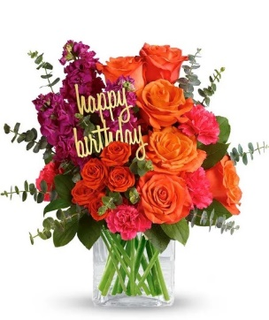
Color | Floral Costs | Qty |  | Qty |  | Qty |  | Qty
Orange | 50 cm Roses | 2 | $1.92 | 3 | $2.88 | 6 | $5.76 |  | $- | From Andrea
Orange | Spray Rose stems | 1 | $0.90 | 1 | $0.90 | 1 | $0.90 |  | $- | From Andrea
Hot Pink | Stock stems | 2 | $1.70 | 3 | $2.55 | 3 | $2.55 |  | $- | From Andrea
Hot Pink | Standard Carnations | 2 | $1.06 | 3 | $1.59 | 4 | $2.12 |  | $- | From Andrea
 | Baby Blue Eucalyptus stems | 6 | $5.94 | 7 | $6.93 | 8 | $7.92 |  | $- | From Andrea
 | Salal tips | 3 | $0.78 | 4 | $1.04 | 4 | $1.04 |  | $- | From Andrea
 |  |  | $- |  | $- |  | $- |  | $- | From Andrea
 |  |  | $- |  | $- |  | $- |  | $- | From Andrea
 |  |  | $- |  | $- |  | $- |  | $- | From Andrea
 |  |  | $- |  | $- |  | $- |  | $- | From Andrea
 |  |  | $- |  | $- |  | $- |  | $- | From Andrea
 |  |  | $- |  | $- |  | $- |  | $- | From Andrea
 |  |  | $12.30 |  | $15.89 |  | $20.29 |  | $-

 | Hardgood Costs | Qty |  | Qty |  | Qty |  | Qty
 | Clear Glass | 1 | $2.50 | 1 | $2.50 | 1 | $2.50 | 1 | $2.50 | From Andrea
 | Birthday Pick | 1 | $3.50 | 1 | $3.50 | 1 | $3.50 | 1 | $3.50 | From Andrea
 |  |  | $- |  | $- |  | $- |  | $- | From Andrea
 |  |  | $- |  | $- |  | $- |  | $- | From Andrea
 |  |  | $- |  | $- |  | $- |  | $- | From Andrea
 |  |  | $- |  | $- |  | $- |  | $- | From Andrea
 |  |  | $6.00 |  | $6.00 |  | $6.00 |  | $6.00

FTD-14-M6
Input
 | Name of Arrangement |  | Sweet Devotion |  | Sweet Devotion |  | Sweet Devotion |  | Sweet Devotion | From Andrea
 | Size of Arrangement |  | Standard |  | Deluxe |  | Premium |  | Exquisite | From Andrea
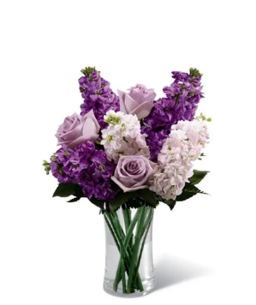
 | SRP |  | $72.99 |  | $94.99 |  | $118.99 |  |  | From Andrea
 | Total SRP of Bundle |  | $72.99 |  | $94.99 |  | $118.99 |  | $-

 | Member Profitability
 | SRP |  | $72.99 |  | $94.99 |  | $118.99 |  | $-
 | Less Commission (20%) |  | $(14.60) |  | $(19.00) |  | $(23.80) |  | $- |  | SRP | $59.99 | $74.99 | $89.99
 | Less C/H Fee (9%) |  | $(6.57) |  | $(8.55) |  | $(10.71) |  | $- |  | Total Gross Margin | $5.70 | $10.27 | $15.80
 | Less UCP Fee |  | $(4.99) |  | $(4.99) |  | $(4.99) |  | $(4.99) |  | Gross Margin % | 10% | 14% | 18%
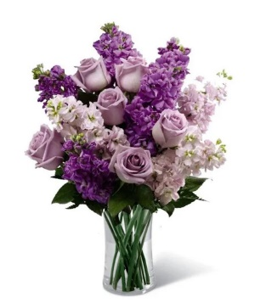
 | Less Transmission Fee |  | $(2.75) |  | $(2.75) |  | $(2.75) |  | $(2.75)
 | Less Delivery Fee |  | $(10.00) |  | $(10.00) |  | $(10.00) |  | $(10.00)
 | Less Labor (10%) |  | $(7.30) |  | $(9.50) |  | $(11.90) |  | $-
 | Less Other |  | $(3.00) |  | $(3.00) |  | $(3.00) |  | $(3.00)
 | Less Hardgood |  | $(2.50) |  | $(2.50) |  | $(2.50) |  | $(2.50)
 | Less Floral Cost |  | $(7.13) |  | $(11.71) |  | $(15.33) |  | $-
 | Total Gross Margin |  | $14.15 |  | $22.99 |  | $34.01 |  | $(23.24)
 | Gross Margin % |  | 19% |  | 24% |  | 29% |  | #DIV/0!
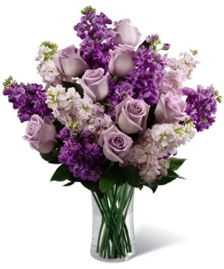
 |  |  | **GM should not be below 20%

Color | Floral Costs | Qty |  | Qty |  | Qty |  | Qty
Lavender | 50 cm Roses | 3 | $2.88 | 6 | $5.76 | 8 | $7.68 |  | $- | From Andrea
Lavender | Stock stems | 3 | $2.55 | 4 | $3.40 | 5 | $4.25 |  | $- | From Andrea
Pink | Stock stems | 2 | $1.70 | 3 | $2.55 | 4 | $3.40 |  | $- | From Andrea
 | Salal tips | 0 | $- | 0 | $- | 0 | $- |  | $- | From Andrea
 |  |  | $- |  | $- |  | $- |  | $- | From Andrea
 |  |  | $- |  | $- |  | $- |  | $- | From Andrea
 |  |  | $- |  | $- |  | $- |  | $- | From Andrea
 |  |  | $- |  | $- |  | $- |  | $- | From Andrea
 |  |  | $- |  | $- |  | $- |  | $- | From Andrea
 |  |  | $- |  | $- |  | $- |  | $- | From Andrea
 |  |  | $- |  | $- |  | $- |  | $- | From Andrea
 |  |  | $- |  | $- |  | $- |  | $- | From Andrea
 |  |  | $7.13 |  | $11.71 |  | $15.33 |  | $-

 | Hardgood Costs | Qty |  | Qty |  | Qty |  | Qty
 | Clear Glass | 1 | $2.50 | 1 | $2.50 | 1 | $2.50 | 1 | $2.50 | From Andrea
 |  |  | $- |  | $- |  | $- |  | $- | From Andrea
 |  |  | $- |  | $- |  | $- |  | $- | From Andrea
 |  |  | $- |  | $- |  | $- |  | $- | From Andrea
 |  |  | $- |  | $- |  | $- |  | $- | From Andrea
 |  |  | $- |  | $- |  | $- |  | $- | From Andrea
 |  |  | $2.50 |  | $2.50 |  | $2.50 |  | $2.50

BF224-11K
Input
 | Name of Arrangement |  | Best Wishes Bouquet |  | Best Wishes Bouquet |  | Best Wishes Bouquet |  | Best Wishes Bouquet | From Andrea
 | Size of Arrangement |  | Standard |  | Deluxe |  | Premium |  | Exquisite | From Andrea
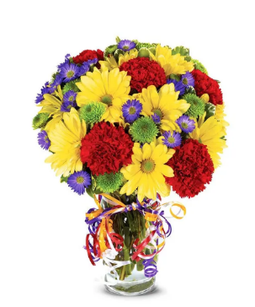
 | SRP |  | $72.99 |  | $91.99 |  | $112.99 |  |  | From Andrea
 | Total SRP of Bundle |  | $72.99 |  | $91.99 |  | $112.99 |  | $-

 | Member Profitability
 | SRP |  | $72.99 |  | $91.99 |  | $112.99 |  | $-
 | Less Commission (20%) |  | $(14.60) |  | $(18.40) |  | $(22.60) |  | $- |  | SRP | $34.99 | $44.99 | $54.99
 | Less C/H Fee (9%) |  | $(6.57) |  | $(8.28) |  | $(10.17) |  | $- |  | Total Gross Margin | $(9.43) | $(6.47) | $(3.35)
 | Less UCP Fee |  | $(4.99) |  | $(4.99) |  | $(4.99) |  | $(4.99) |  | Gross Margin % | -27% | -14% | -6%
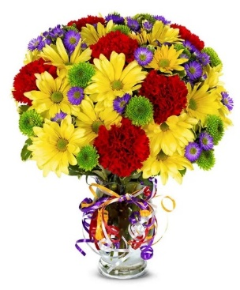
 | Less Transmission Fee |  | $(2.75) |  | $(2.75) |  | $(2.75) |  | $(2.75)
 | Less Delivery Fee |  | $(10.00) |  | $(10.00) |  | $(10.00) |  | $(10.00)
 | Less Labor (10%) |  | $(7.30) |  | $(9.20) |  | $(11.30) |  | $-
 | Less Other |  | $(3.00) |  | $(3.00) |  | $(3.00) |  | $(3.00)
 | Less Hardgood |  | $(2.85) |  | $(2.85) |  | $(2.85) |  | $(2.85)
 | Less Floral Cost |  | $(7.18) |  | $(10.32) |  | $(13.30) |  | $-
 | Total Gross Margin |  | $13.75 |  | $22.20 |  | $32.03 |  | $(23.59)
 | Gross Margin % |  | 19% |  | 24% |  | 28% |  | #DIV/0!
 |  |  | **GM should not be below 20%
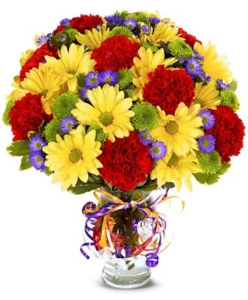
Color | Floral Costs | Qty |  | Qty |  | Qty |  | Qty
 | Standard Carnations | 5 | $2.65 | 6 | $3.18 | 8 | $4.24 |  | $- | From Andrea
 | Daisy Pompon stems | 2 | $1.26 | 3 | $1.89 | 4 | $2.52 |  | $- | From Andrea
 | Button Pompon stems | 2 | $1.26 | 3 | $1.89 | 4 | $2.52 |  | $- | From Andrea
 | Monte Casino stems | 2 | $1.32 | 3 | $1.98 | 4 | $2.64 |  | $- | From Andrea
 | Variegated Pittosporum stems | 1 | $0.69 | 2 | $1.38 | 2 | $1.38 |  | $- | From Andrea
 |  |  | $- |  | $- |  | $- |  | $- | From Andrea
 |  |  | $- |  | $- |  | $- |  | $- | From Andrea
 |  |  | $- |  | $- |  | $- |  | $- | From Andrea
 |  |  | $- |  | $- |  | $- |  | $- | From Andrea
 |  |  | $- |  | $- |  | $- |  | $- | From Andrea
 |  |  | $- |  | $- |  | $- |  | $- | From Andrea
 |  |  | $- |  | $- |  | $- |  | $- | From Andrea
 |  |  | $7.18 |  | $10.32 |  | $13.30 |  | $-

 | Hardgood Costs | Qty |  | Qty |  | Qty |  | Qty
 | Clear Glass | 1 | $2.50 | 1 | $2.50 | 1 | $2.50 | 1 | $2.50 | From Andrea
 | Ribbon | 0.35 | $0.35 | 0.35 | $0.35 | 0.35 | $0.35 | 0.35 | $0.35 | From Andrea
 |  |  | $- |  | $- |  | $- |  | $- | From Andrea
 |  |  | $- |  | $- |  | $- |  | $- | From Andrea
 |  |  | $- |  | $- |  | $- |  | $- | From Andrea
 |  |  | $- |  | $- |  | $- |  | $- | From Andrea
 |  |  | $2.85 |  | $2.85 |  | $2.85 |  | $2.85

BF82-11K
Input
 | Name of Arrangement |  | European Garden Bouquet |  | European Garden Bouquet |  | European Garden Bouquet |  | European Garden Bouquet | From Andrea
 | Size of Arrangement |  | Standard |  | Deluxe |  | Premium |  | Exquisite | From Andrea
 | SRP |  | $79.99 |  | $104.99 |  | $124.99 |  |  | From Andrea
 | Total SRP of Bundle |  | $79.99 |  | $104.99 |  | $124.99 |  | $-

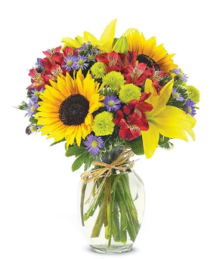
 | Member Profitability
 | SRP |  | $79.99 |  | $104.99 |  | $124.99 |  | $-
 | Less Commission (20%) |  | $(16.00) |  | $(21.00) |  | $(25.00) |  | $- |  | SRP | $44.99 | $54.99 | $54.99
 | Less C/H Fee (9%) |  | $(7.20) |  | $(9.45) |  | $(11.25) |  | $- |  | Total Gross Margin | $(7.09) | $(6.28) | $1.76
 | Less UCP Fee |  | $(4.99) |  | $(4.99) |  | $(4.99) |  | $(4.99) |  | Gross Margin % | -16% | -11% | 3%
 | Less Transmission Fee |  | $(2.75) |  | $(2.75) |  | $(2.75) |  | $(2.75)
 | Less Delivery Fee |  | $(10.00) |  | $(10.00) |  | $(10.00) |  | $(10.00)
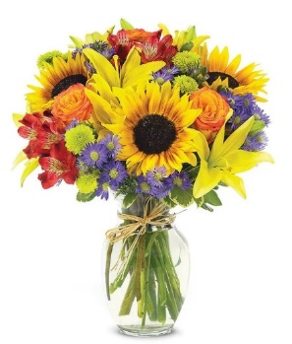
 | Less Labor (10%) |  | $(8.00) |  | $(10.50) |  | $(12.50) |  | $-
 | Less Other |  | $(3.00) |  | $(3.00) |  | $(3.00) |  | $(3.00)
 | Less Hardgood |  | $(2.75) |  | $(2.75) |  | $(2.75) |  | $(2.75)
 | Less Floral Cost |  | $(11.04) |  | $(16.33) |  | $(17.91) |  | $-
 | Total Gross Margin |  | $14.26 |  | $24.22 |  | $34.84 |  | $(23.49)
 | Gross Margin % |  | 18% |  | 23% |  | 28% |  | #DIV/0!
 |  |  | **GM should not be below 20%

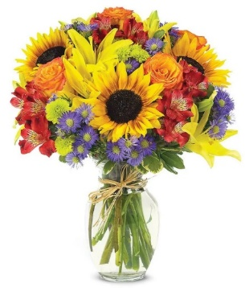
Color | Floral Costs | Qty |  | Qty |  | Qty |  | Qty
Yellow | Sunflowers | 2 | $2.24 | 3 | $3.36 | 3 | $3.36 |  | $- | From Andrea
Yellow | Asiatic Lily stems | 2 | $2.94 | 2 | $2.94 | 2 | $2.94 |  | $- | From Andrea
Orange | 50 cm Roses | 0 | $- | 3 | $2.88 | 4 | $3.84 |  | $- | From Andrea
Purple | Monte Casino stems | 3 | $1.98 | 4 | $2.64 | 4 | $2.64 |  | $- | From Andrea
Green | Button Pompon stems | 2 | $1.26 | 3 | $1.89 | 3 | $1.89 |  | $- | From Andrea
Hot Pink | Alstroemeria stems | 2 | $1.24 | 2 | $1.24 | 3 | $1.86 |  | $- | From Andrea
 | Variegated Pittosporum stems | 2 | $1.38 | 2 | $1.38 | 2 | $1.38 |  | $- | From Andrea
 |  |  | $- |  | $- |  | $- |  | $- | From Andrea
 |  |  | $- |  | $- |  | $- |  | $- | From Andrea
 |  |  | $- |  | $- |  | $- |  | $- | From Andrea
 |  |  | $- |  | $- |  | $- |  | $- | From Andrea
 |  |  | $- |  | $- |  | $- |  | $- | From Andrea
 |  |  | $11.04 |  | $16.33 |  | $17.91 |  | $-

 | Hardgood Costs | Qty |  | Qty |  | Qty |  | Qty
 | Clear Glass | 1 | $2.50 | 1 | $2.50 | 1 | $2.50 | 1 | $2.50 | From Andrea
 | Raffia | 1 | $0.25 | 1 | $0.25 | 1 | $0.25 | 1 | $0.25 | From Andrea
 |  |  | $- |  | $- |  | $- |  | $- | From Andrea
 |  |  | $- |  | $- |  | $- |  | $- | From Andrea
 |  |  | $- |  | $- |  | $- |  | $- | From Andrea
 |  |  | $- |  | $- |  | $- |  | $- | From Andrea
 |  |  | $2.75 |  | $2.75 |  | $2.75 |  | $2.75

T21S100
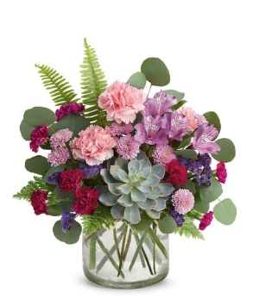
Input
 | Name of Arrangement |  | Wine Country Blossoms |  | Wine Country Blossoms |  | Wine Country Blossoms |  | Wine Country Blossoms | From Andrea
 | Size of Arrangement |  | Standard |  | Deluxe |  | Premium |  | Exquisite | From Andrea
 | SRP |  | $89.99 |  | $109.99 |  | $132.99 |  |  | From Andrea
 | Total SRP of Bundle |  | $89.99 |  | $109.99 |  | $132.99 |  | $-

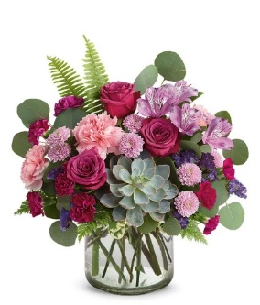
 | Member Profitability
 | SRP |  | $89.99 |  | $109.99 |  | $132.99 |  | $-
 | Less Commission (20%) |  | $(18.00) |  | $(22.00) |  | $(26.60) |  | $- |  | SRP | $54.99 | $64.99 | $74.99
 | Less C/H Fee (9%) |  | $(8.10) |  | $(9.90) |  | $(11.97) |  | $- |  | Total Gross Margin | $(4.05) | $(0.30) | $2.76
 | Less UCP Fee |  | $(4.99) |  | $(4.99) |  | $(4.99) |  | $(4.99) |  | Gross Margin % | -7% | 0% | 4%
 | Less Transmission Fee |  | $(2.75) |  | $(2.75) |  | $(2.75) |  | $(2.75)
 | Less Delivery Fee |  | $(10.00) |  | $(10.00) |  | $(10.00) |  | $(10.00)
 | Less Labor (10%) |  | $(9.00) |  | $(11.00) |  | $(13.30) |  | $-
 | Less Other |  | $(3.00) |  | $(3.00) |  | $(3.00) |  | $(3.00)
 | Less Hardgood |  | $(2.50) |  | $(2.50) |  | $(2.50) |  | $(2.50)
 | Less Floral Cost |  | $(14.35) |  | $(16.70) |  | $(19.74) |  | $-
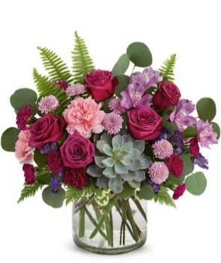
 | Total Gross Margin |  | $17.30 |  | $27.15 |  | $38.14 |  | $(23.24)
 | Gross Margin % |  | 19% |  | 25% |  | 29% |  | #DIV/0!
 |  |  | **GM should not be below 20%

Color | Floral Costs | Qty |  | Qty |  | Qty |  | Qty
Pink | Standard Carnations | 3 | $1.59 | 2 | $1.06 | 2 | $1.06 |  | $- | From Andrea
Purple | Mini Carnation stems | 3 | $1.53 | 3 | $1.53 | 3 | $1.53 |  | $- | From Andrea
Pink | 50 cm Roses | 0 | $- | 3 | $2.88 | 5 | $4.80 |  | $- | From Andrea
Lavender | Alstroemeria stems | 1 | $0.62 | 1 | $0.62 | 2 | $1.24 |  | $- | From Andrea
Purple | Statice stems | 2 | $1.18 | 2 | $1.18 | 2 | $1.18 |  | $- | From Andrea
Lavender | Button Pompon stems | 3 | $1.89 | 3 | $1.89 | 3 | $1.89 |  | $- | From Andrea
 | Variegated Pittosporum stems | 1 | $0.69 | 1 | $0.69 | 1 | $0.69 |  | $- | From Andrea
 | Fern | 5 | $1.25 | 5 | $1.25 | 7 | $1.75 |  | $- | From Andrea
 | Silver dollar Eucalyptus stems | 1 | $2.10 | 1 | $2.10 | 1 | $2.10 |  | $- | From Andrea
Green | Echevaria Succulent | 1 | $3.50 | 1 | $3.50 | 1 | $3.50 |  | $- | From Andrea
 |  |  | $- |  | $- |  | $- |  | $- | From Andrea
 |  |  | $- |  | $- |  | $- |  | $- | From Andrea
 |  |  | $14.35 |  | $16.70 |  | $19.74 |  | $-

 | Hardgood Costs | Qty |  | Qty |  | Qty |  | Qty
 | Clear Glass | 1 | $2.50 | 1 | $2.50 | 1 | $2.50 | 1 | $2.50 | From Andrea
 |  |  | $- |  | $- |  | $- |  | $- | From Andrea
 |  |  | $- |  | $- |  | $- |  | $- | From Andrea
 |  |  | $- |  | $- |  | $- |  | $- | From Andrea
 |  |  | $- |  | $- |  | $- |  | $- | From Andrea
 |  |  | $- |  | $- |  | $- |  | $- | From Andrea
 |  |  | $2.50 |  | $2.50 |  | $2.50 |  | $2.50

TEV12-4
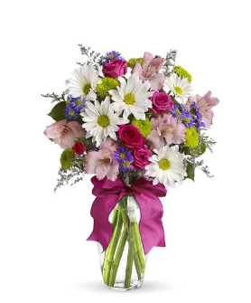
Input
 | Name of Arrangement |  | Pretty Please |  | Pretty Please |  | Pretty Please |  | Pretty Please | From Andrea
 | Size of Arrangement |  | Standard |  | Deluxe |  | Premium |  | Exquisite | From Andrea
 | SRP |  | $74.99 |  | $96.99 |  | $121.99 |  |  | From Andrea
 | Total SRP of Bundle |  | $74.99 |  | $96.99 |  | $121.99 |  | $-

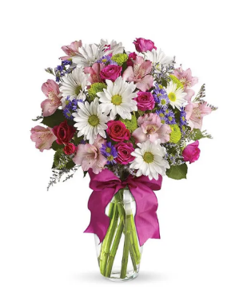
 | Member Profitability
 | SRP |  | $74.99 |  | $96.99 |  | $121.99 |  | $-
 | Less Commission (20%) |  | $(15.00) |  | $(19.40) |  | $(24.40) |  | $- |  | SRP | $39.99 | $49.99 | $59.99
 | Less C/H Fee (9%) |  | $(6.75) |  | $(8.73) |  | $(10.98) |  | $- |  | Total Gross Margin | $(7.53) | $(5.32) | $(4.18)
 | Less UCP Fee |  | $(4.99) |  | $(4.99) |  | $(4.99) |  | $(4.99) |  | Gross Margin % | -19% | -11% | -7%
 | Less Transmission Fee |  | $(2.75) |  | $(2.75) |  | $(2.75) |  | $(2.75)
 | Less Delivery Fee |  | $(10.00) |  | $(10.00) |  | $(10.00) |  | $(10.00)
 | Less Labor (10%) |  | $(7.50) |  | $(9.70) |  | $(12.20) |  | $-
 | Less Other |  | $(3.00) |  | $(3.00) |  | $(3.00) |  | $(3.00)
 | Less Hardgood |  | $(2.91) |  | $(2.91) |  | $(2.91) |  | $(2.91)
 | Less Floral Cost |  | $(8.27) |  | $(12.16) |  | $(17.12) |  | $-
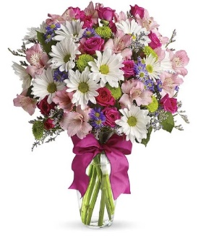
 | Total Gross Margin |  | $13.82 |  | $23.35 |  | $33.64 |  | $(23.65)
 | Gross Margin % |  | 18% |  | 24% |  | 28% |  | #DIV/0!
 |  |  | **GM should not be below 20%

Color | Floral Costs | Qty |  | Qty |  | Qty |  | Qty
Hot Pink | Spray Rose stems | 2 | $1.80 | 4 | $3.60 | 6 | $5.40 |  | $- | From Andrea
White | Daisy Pompon stems | 1 | $0.63 | 2 | $1.26 | 3 | $1.89 |  | $- | From Andrea
Green | Button Pompon stems | 2 | $1.26 | 2 | $1.26 | 3 | $1.89 |  | $- | From Andrea
Purple | Monte Casino stems | 3 | $1.98 | 3 | $1.98 | 4 | $2.64 |  | $- | From Andrea
Purple | Limonium Misty Blue | 1 | $0.84 | 2 | $1.68 | 2 | $1.68 |  | $- | From Andrea
Pink | Alstroemeria stems | 2 | $1.24 | 3 | $1.86 | 5 | $3.10 |  | $- | From Andrea
 | Salal tips | 2 | $0.52 | 2 | $0.52 | 2 | $0.52 |  | $- | From Andrea
 |  |  | $- |  | $- |  | $- |  | $- | From Andrea
 |  |  | $- |  | $- |  | $- |  | $- | From Andrea
 |  |  | $- |  | $- |  | $- |  | $- | From Andrea
 |  |  | $- |  | $- |  | $- |  | $- | From Andrea
 |  |  | $- |  | $- |  | $- |  | $- | From Andrea
 |  |  | $8.27 |  | $12.16 |  | $17.12 |  | $-

 | Hardgood Costs | Qty |  | Qty |  | Qty |  | Qty
 | Clear Glass | 1 | $2.50 | 1 | $2.50 | 1 | $2.50 | 1 | $2.50 | From Andrea
 | Ribbon | 0 | $0.41 | 0 | $0.41 | 0 | $0.41 | 0 | $0.41 | From Andrea
 |  |  | $- |  | $- |  | $- |  | $- | From Andrea
 |  |  | $- |  | $- |  | $- |  | $- | From Andrea
 |  |  | $- |  | $- |  | $- |  | $- | From Andrea
 |  |  | $- |  | $- |  | $- |  | $- | From Andrea
 |  |  | $2.91 |  | $2.91 |  | $2.91 |  | $2.91

BF377-11K
Input
 | Name of Arrangement |  | Daisy & Rose Delight |  | Daisy & Rose Delight |  | Daisy & Rose Delight |  | Daisy & Rose Delight | From Andrea
 | Size of Arrangement |  | Standard |  | Deluxe |  | Premium |  | Exquisite | From Andrea
 | SRP |  | $69.99 |  | $84.99 |  | $104.99 |  | $136.00 | From Andrea
 | Total SRP of Bundle |  | $69.99 |  | $84.99 |  | $104.99 |  | $136.00
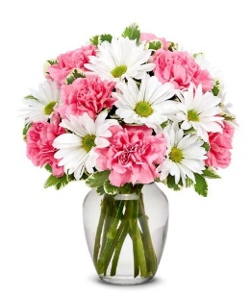

 | Member Profitability
 | SRP |  | $69.99 |  | $84.99 |  | $104.99 |  | $136.00
 | Less Commission (20%) |  | $(14.00) |  | $(17.00) |  | $(21.00) |  | $(27.20) |  | SRP | $39.99 | $49.99 | $59.99
 | Less C/H Fee (9%) |  | $(6.30) |  | $(7.65) |  | $(9.45) |  | $(12.24) |  | Total Gross Margin | $(5.83) | $(2.41) | $3.69
 | Less UCP Fee |  | $(4.99) |  | $(4.99) |  | $(4.99) |  | $(4.99) |  | Gross Margin % | -15% | -5% | 6%
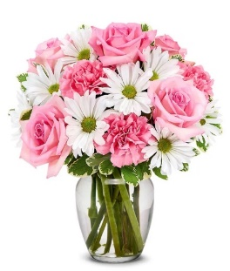
 | Less Transmission Fee |  | $(2.75) |  | $(2.75) |  | $(2.75) |  | $(2.75)
 | Less Delivery Fee |  | $(10.00) |  | $(10.00) |  | $(10.00) |  | $(10.00)
 | Less Labor (10%) |  | $(7.00) |  | $(8.50) |  | $(10.50) |  | $(13.60)
 | Less Other |  | $(3.00) |  | $(3.00) |  | $(3.00) |  | $(3.00)
 | Less Hardgood |  | $(2.50) |  | $(2.50) |  | $(2.50) |  | $(2.50)
 | Less Floral Cost |  | $(6.98) |  | $(7.74) |  | $(9.66) |  | $-
 | Total Gross Margin |  | $12.47 |  | $20.86 |  | $31.14 |  | $59.72
 | Gross Margin % |  | 18% |  | 25% |  | 30% |  | 44%
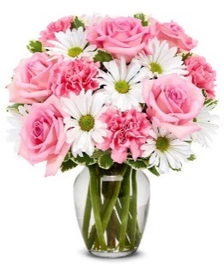
 |  |  | **GM should not be below 20%

Color | Floral Costs | Qty |  | Qty |  | Qty |  | Qty
Pink | 50 cm Roses | 0 | $- | 3 | $2.88 | 5 | $4.80 |  | $- | From Andrea
Pink | Standard Carnations | 7 | $3.71 | 3 | $1.59 | 3 | $1.59 |  | $- | From Andrea
White | Daisy Pompon stems | 3 | $1.89 | 3 | $1.89 | 3 | $1.89 |  | $- | From Andrea
 | Variegated Pittosporum stems | 2 | $1.38 | 2 | $1.38 | 2 | $1.38 |  | $- | From Andrea
 |  |  | $- |  | $- |  | $- |  | $- | From Andrea
 |  |  | $- |  | $- |  | $- |  | $- | From Andrea
 |  |  | $- |  | $- |  | $- |  | $- | From Andrea
 |  |  | $- |  | $- |  | $- |  | $- | From Andrea
 |  |  | $- |  | $- |  | $- |  | $- | From Andrea
 |  |  | $- |  | $- |  | $- |  | $- | From Andrea
 |  |  | $- |  | $- |  | $- |  | $- | From Andrea
 |  |  | $- |  | $- |  | $- |  | $- | From Andrea
 |  |  | $6.98 |  | $7.74 |  | $9.66 |  | $-

 | Hardgood Costs | Qty |  | Qty |  | Qty |  | Qty
 | Clear Glass | 1 | $2.50 | 1 | $2.50 | 1 | $2.50 | 1 | $2.50 | From Andrea
 |  |  | $- |  | $- |  | $- |  | $- | From Andrea
 |  |  | $- |  | $- |  | $- |  | $- | From Andrea
 |  |  | $- |  | $- |  | $- |  | $- | From Andrea
 |  |  | $- |  | $- |  | $- |  | $- | From Andrea
 |  |  | $- |  | $- |  | $- |  | $- | From Andrea
 |  |  | $2.50 |  | $2.50 |  | $2.50 |  | $2.50

T17M200-2
Input
 | Name of Arrangement |  | Lush Lavender Bouquet |  | Lush Lavender Bouquet |  | Lush Lavender Bouquet |  | Lush Lavender Bouquet | From Andrea
 | Size of Arrangement |  | Standard |  | Deluxe |  | Premium |  | Exquisite | From Andrea
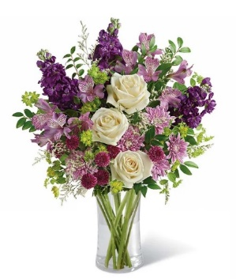
 | SRP |  | $94.99 |  | $119.99 |  | $144.99 |  | $136.00 | From Andrea
 | Total SRP of Bundle |  | $94.99 |  | $119.99 |  | $144.99 |  | $136.00

 | Member Profitability
 | SRP |  | $94.99 |  | $119.99 |  | $144.99 |  | $136.00
 | Less Commission (20%) |  | $(19.00) |  | $(24.00) |  | $(29.00) |  | $(27.20) |  | SRP | $59.99 | $69.99 | $79.99
 | Less C/H Fee (9%) |  | $(8.55) |  | $(10.80) |  | $(13.05) |  | $(12.24) |  | Total Gross Margin | $(4.26) | $(1.88) | $1.45
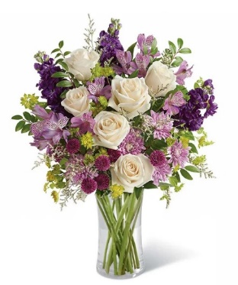
 | Less UCP Fee |  | $(4.99) |  | $(4.99) |  | $(4.99) |  | $(4.99) |  | Gross Margin % | -7% | -3% | 2%
 | Less Transmission Fee |  | $(2.75) |  | $(2.75) |  | $(2.75) |  | $(2.75)
 | Less Delivery Fee |  | $(10.00) |  | $(10.00) |  | $(10.00) |  | $(10.00)
 | Less Labor (10%) |  | $(9.50) |  | $(12.00) |  | $(14.50) |  | $(13.60)
 | Less Other |  | $(3.00) |  | $(3.00) |  | $(3.00) |  | $(3.00)
 | Less Hardgood |  | $(6.00) |  | $(6.00) |  | $(6.00) |  | $(6.00)
 | Less Floral Cost |  | $(14.11) |  | $(17.83) |  | $(20.60) |  | $-
 | Total Gross Margin |  | $17.09 |  | $28.62 |  | $41.10 |  | $56.22
 | Gross Margin % |  | 18% |  | 24% |  | 28% |  | 41%
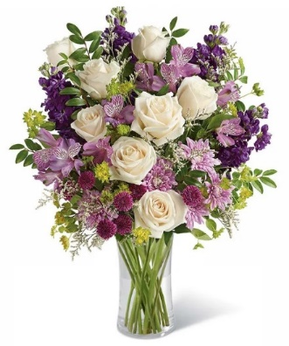
 |  |  | **GM should not be below 20%

Color | Floral Costs | Qty |  | Qty |  | Qty |  | Qty
Ivory | 50 cm Roses | 3 | $2.88 | 6 | $5.76 | 8 | $7.68 |  | $- | From Andrea
Lavender | Alstroemeria stems | 3 | $1.86 | 3 | $1.86 | 3 | $1.86 |  | $- | From Andrea
Purple | Stock stems | 3 | $2.55 | 3 | $2.55 | 4 | $3.40 |  | $- | From Andrea
Green | Button Pompon stems | 2 | $1.26 | 2 | $1.26 | 2 | $1.26 |  | $- | From Andrea
Lavender | Cushion Pompon stems | 2 | $1.26 | 2 | $1.26 | 2 | $1.26 |  | $- | From Andrea
 | Limonium Misty Blue | 1 | $0.84 | 2 | $1.68 | 2 | $1.68 |  | $- | From Andrea
 | Bupleurum Stems | 3 | $2.46 | 3 | $2.46 | 3 | $2.46 |  | $- | From Andrea
 | Huckleberry | 2 | $1.00 | 2 | $1.00 | 2 | $1.00 |  | $- | From Andrea
 |  |  | $- |  | $- |  | $- |  | $- | From Andrea
 |  |  | $- |  | $- |  | $- |  | $- | From Andrea
 |  |  | $- |  | $- |  | $- |  | $- | From Andrea
 |  |  | $- |  | $- |  | $- |  | $- | From Andrea
 |  |  | $14.11 |  | $17.83 |  | $20.60 |  | $-

 | Hardgood Costs | Qty |  | Qty |  | Qty |  | Qty
 | Clear Glass | 1 | $2.50 | 1 | $2.50 | 1 | $2.50 | 1 | $2.50 | From Andrea
 | Birthday Pick | 1 | $3.50 | 1 | $3.50 | 1 | $3.50 | 1 | $3.50 | From Andrea
 |  |  | $- |  | $- |  | $- |  | $- | From Andrea
 |  |  | $- |  | $- |  | $- |  | $- | From Andrea
 |  |  | $- |  | $- |  | $- |  | $- | From Andrea
 |  |  | $- |  | $- |  | $- |  | $- | From Andrea
 |  |  | $6.00 |  | $6.00 |  | $6.00 |  | $6.00

FYF-893
Input
 | Name of Arrangement |  | Bursting with Joy Bouquet |  | Bursting with Joy Bouquet |  | Bursting with Joy Bouquet |  | Bursting with Joy Bouquet | From Andrea
 | Size of Arrangement |  | Standard |  | Deluxe |  | Premium |  | Exquisite | From Andrea
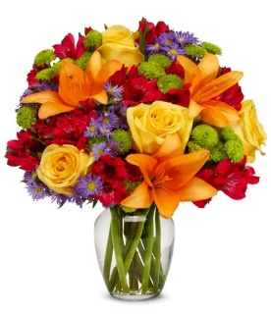
 | SRP |  | $84.99 |  | $99.99 |  | $116.99 |  | $136.00 | From Andrea
 | Total SRP of Bundle |  | $84.99 |  | $99.99 |  | $116.99 |  | $136.00

 | Member Profitability
 | SRP |  | $84.99 |  | $99.99 |  | $116.99 |  | $136.00
 | Less Commission (20%) |  | $(17.00) |  | $(20.00) |  | $(23.40) |  | $(27.20) |  | SRP | $44.99 | $54.99 | $64.99
 | Less C/H Fee (9%) |  | $(7.65) |  | $(9.00) |  | $(10.53) |  | $(12.24) |  | Total Gross Margin | $(9.00) | $(2.90) | $1.73

 | Less UCP Fee |  | $(4.99) |  | $(4.99) |  | $(4.99) |  | $(4.99) |  | Gross Margin % | -20% | -5% | 3%
 | Less Transmission Fee |  | $(2.75) |  | $(2.75) |  | $(2.75) |  | $(2.75)
 | Less Delivery Fee |  | $(10.00) |  | $(10.00) |  | $(10.00) |  | $(10.00)
 | Less Labor (10%) |  | $(8.50) |  | $(10.00) |  | $(11.70) |  | $(13.60)
 | Less Other |  | $(3.00) |  | $(3.00) |  | $(3.00) |  | $(3.00)
 | Less Hardgood |  | $(2.50) |  | $(2.50) |  | $(2.50) |  | $(2.50)
 | Less Floral Cost |  | $(13.20) |  | $(13.20) |  | $(14.67) |  | $-
 | Total Gross Margin |  | $15.40 |  | $24.55 |  | $33.45 |  | $59.72

 | Gross Margin % |  | 18% |  | 25% |  | 29% |  | 44%
 |  |  | **GM should not be below 20%

Color | Floral Costs | Qty |  | Qty |  | Qty |  | Qty
Yellow | 50 cm Roses | 3 | $2.88 | 3 | $2.88 | 3 | $2.88 |  | $- | From Andrea
Orange | Asiatic Lily stems | 1 | $1.47 | 1 | $1.47 | 2 | $2.94 |  | $- | From Andrea
Red | Alstroemeria stems | 6 | $3.72 | 6 | $3.72 | 6 | $3.72 |  | $- | From Andrea
Green | Button Pompon stems | 5 | $3.15 | 5 | $3.15 | 5 | $3.15 |  | $- | From Andrea
Purple | Monte Casino stems | 3 | $1.98 | 3 | $1.98 | 3 | $1.98 |  | $- | From Andrea
 |  |  | $- |  | $- |  | $- |  | $- | From Andrea
 |  |  | $- |  | $- |  | $- |  | $- | From Andrea
 |  |  | $- |  | $- |  | $- |  | $- | From Andrea
 |  |  | $- |  | $- |  | $- |  | $- | From Andrea
 |  |  | $- |  | $- |  | $- |  | $- | From Andrea
 |  |  | $- |  | $- |  | $- |  | $- | From Andrea
 |  |  | $- |  | $- |  | $- |  | $- | From Andrea
 |  |  | $13.20 |  | $13.20 |  | $14.67 |  | $-

 | Hardgood Costs | Qty |  | Qty |  | Qty |  | Qty
 | Clear Glass | 1 | $2.50 | 1 | $2.50 | 1 | $2.50 | 1 | $2.50 | From Andrea
 |  |  | $- |  | $- |  | $- |  | $- | From Andrea
 |  |  | $- |  | $- |  | $- |  | $- | From Andrea
 |  |  | $- |  | $- |  | $- |  | $- | From Andrea
 |  |  | $- |  | $- |  | $- |  | $- | From Andrea
 |  |  | $- |  | $- |  | $- |  | $- | From Andrea
 |  |  | $2.50 |  | $2.50 |  | $2.50 |  | $2.50

BF167-11KM
Input
 | Name of Arrangement |  | Sunflower Surprise |  | Sunflower Surprise |  | Sunflower Surprise |  | Sunflower Surprise | From Andrea
 | Size of Arrangement |  | Standard |  | Deluxe |  | Premium |  | Exquisite | From Andrea
 | SRP |  | $75.99 |  | $99.99 |  | $119.99 |  |  | From Andrea
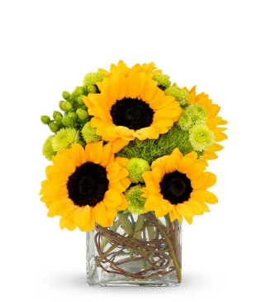
 | Total SRP of Bundle |  | $75.99 |  | $99.99 |  | $119.99

 | Member Profitability
 | SRP |  | $75.99 |  | $99.99 |  | $119.99
 | Less Commission (20%) |  | $(15.20) |  | $(20.00) |  | $(24.00) |  |  |  | SRP | $49.99 | $59.99 | $69.99
 | Less C/H Fee (9%) |  | $(6.84) |  | $(9.00) |  | $(10.80) |  |  |  | Total Gross Margin | $(2.55) | $(0.68) | $3.95
 | Less UCP Fee |  | $(4.99) |  | $(4.99) |  | $(4.99) |  |  |  | Gross Margin % | -5% | -1% | 6%
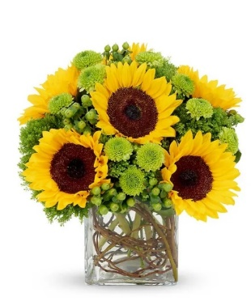
 | Less Transmission Fee |  | $(2.75) |  | $(2.75) |  | $(2.75)
 | Less Delivery Fee |  | $(10.00) |  | $(10.00) |  | $(10.00)
 | Less Labor (10%) |  | $(7.60) |  | $(10.00) |  | $(12.00)
 | Less Other |  | $(3.00) |  | $(3.00) |  | $(3.00)
 | Less Hardgood |  | $(2.50) |  | $(2.50) |  | $(2.50)
 | Less Floral Cost |  | $(9.80) |  | $(14.03) |  | $(15.50) |  | $-
 | Total Gross Margin |  | $13.31 |  | $23.72 |  | $34.45 |  | $-
 | Gross Margin % |  | 18% |  | 24% |  | 29% |  | #DIV/0!
 |  |  | **GM should not be below 20%

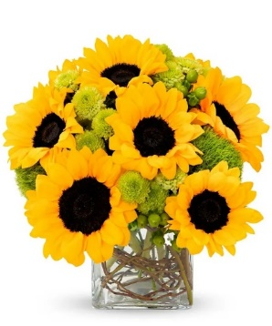
Color | Floral Costs | Qty |  | Qty |  | Qty |  | Qty
Yellow | Sunflowers | 5 | $5.60 | 6 | $6.72 | 8 | $8.96 |  | $- | From Andrea
Green | Button Pompon stems | 3 | $1.89 | 4 | $2.52 | 4 | $2.52 |  | $- | From Andrea
Green | Hypericum Berry stems | 1 | $0.77 | 3 | $2.31 | 2 | $1.54 |  | $- | From Andrea
Green | Trick Dianthus stems | 1 | $0.94 | 2 | $1.88 | 2 | $1.88 |  | $- | From Andrea
 | Curly Willow | 1 | $0.60 | 1 | $0.60 | 1 | $0.60 |  | $- | From Andrea
 |  |  | $- |  | $- |  | $- |  | $- | From Andrea
 |  |  | $- |  | $- |  | $- |  | $- | From Andrea
 |  |  | $- |  | $- |  | $- |  | $- | From Andrea
 |  |  | $- |  | $- |  | $- |  | $- | From Andrea
 |  |  | $- |  | $- |  | $- |  | $- | From Andrea
 |  |  | $- |  | $- |  | $- |  | $- | From Andrea
 |  |  | $- |  | $- |  | $- |  | $- | From Andrea
 |  |  | $9.80 |  | $14.03 |  | $15.50 |  | $-

 | Hardgood Costs | Qty |  | Qty |  | Qty |  | Qty
 | Clear Glass | 1 | $2.50 | 1 | $2.50 | 1 | $2.50 | 1 | $2.50 | From Andrea
 |  |  | $- |  | $- |  | $- |  | $- | From Andrea
 |  |  | $- |  | $- |  | $- |  | $- | From Andrea
 |  |  | $- |  | $- |  | $- |  | $- | From Andrea
 |  |  | $- |  | $- |  | $- |  | $- | From Andrea
 |  |  | $- |  | $- |  | $- |  | $- | From Andrea
 |  |  | $2.50 |  | $2.50 |  | $2.50 |  | $2.50

BF52-11KM
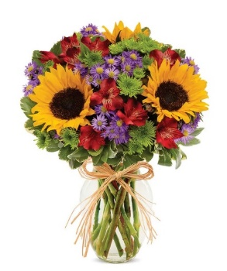
Input
 | Name of Arrangement |  | European Floral Garden |  | European Floral Garden |  | European Floral Garden |  | European Floral Garden | From Andrea
 | Size of Arrangement |  | Standard |  | Deluxe |  | Premium |  | Exquisite | From Andrea
 | SRP |  | $79.99 |  | $102.99 |  | $124.99 |  | $136.00 | From Andrea
 | Total SRP of Bundle |  | $79.99 |  | $102.99 |  | $124.99 |  | $136.00

 | Member Profitability
 | SRP |  | $79.99 |  | $102.99 |  | $124.99 |  | $136.00
 | Less Commission (20%) |  | $(16.00) |  | $(20.60) |  | $(25.00) |  | $(27.20) |  | SRP | $44.99 | $54.99 | $64.99
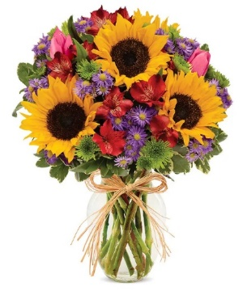
 | Less C/H Fee (9%) |  | $(7.20) |  | $(9.27) |  | $(11.25) |  | $(12.24) |  | Total Gross Margin | $(7.15) | $(4.66) | $(0.34)
 | Less UCP Fee |  | $(4.99) |  | $(4.99) |  | $(4.99) |  | $(4.99) |  | Gross Margin % | -16% | -8% | -1%
 | Less Transmission Fee |  | $(2.75) |  | $(2.75) |  | $(2.75) |  | $(2.75)
 | Less Delivery Fee |  | $(10.00) |  | $(10.00) |  | $(10.00) |  | $(10.00)
 | Less Labor (10%) |  | $(8.00) |  | $(10.30) |  | $(12.50) |  | $(13.60)
 | Less Other |  | $(3.00) |  | $(3.00) |  | $(3.00) |  | $(3.00)
 | Less Hardgood |  | $(2.75) |  | $(2.75) |  | $(2.75) |  | $(2.75)
 | Less Floral Cost |  | $(11.10) |  | $(14.71) |  | $(16.49) |  | $-
 | Total Gross Margin |  | $14.20 |  | $24.62 |  | $36.26 |  | $59.47
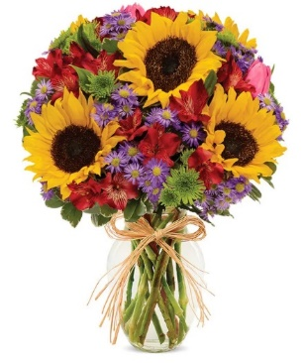
 | Gross Margin % |  | 18% |  | 24% |  | 29% |  | 44%
 |  |  | **GM should not be below 20%

Color | Floral Costs | Qty |  | Qty |  | Qty |  | Qty
Yellow | Sunflowers | 3 | $3.36 | 4 | $4.48 | 5 | $5.60 |  | $- | From Andrea
Pink | Tulip | 0 | $- | 2 | $2.50 | 2 | $2.50 |  | $- | From Andrea
Red | Alstroemeria stems | 3 | $1.86 | 4 | $2.48 | 4 | $2.48 |  | $- | From Andrea
Purple | Monte Casino stems | 3 | $1.98 | 3 | $1.98 | 4 | $2.64 |  | $- | From Andrea
Green | Button Pompon stems | 4 | $2.52 | 3 | $1.89 | 3 | $1.89 |  | $- | From Andrea
 | Variegated Pittosporum stems | 2 | $1.38 | 2 | $1.38 | 2 | $1.38 |  | $- | From Andrea
 |  |  | $- |  | $- |  | $- |  | $- | From Andrea
 |  |  | $- |  | $- |  | $- |  | $- | From Andrea
 |  |  | $- |  | $- |  | $- |  | $- | From Andrea
 |  |  | $- |  | $- |  | $- |  | $- | From Andrea
 |  |  | $- |  | $- |  | $- |  | $- | From Andrea
 |  |  | $- |  | $- |  | $- |  | $- | From Andrea
 |  |  | $11.10 |  | $14.71 |  | $16.49 |  | $-

 | Hardgood Costs | Qty |  | Qty |  | Qty |  | Qty
 | Clear Glass | 1 | $2.50 | 1 | $2.50 | 1 | $2.50 | 1 | $2.50 | From Andrea
 | Raffia | 1 | $0.25 | 1 | $0.25 | 1 | $0.25 | 1 | $0.25 | From Andrea
 |  |  | $- |  | $- |  | $- |  | $- | From Andrea
 |  |  | $- |  | $- |  | $- |  | $- | From Andrea
 |  |  | $- |  | $- |  | $- |  | $- | From Andrea
 |  |  | $- |  | $- |  | $- |  | $- | From Andrea
 |  |  | $2.75 |  | $2.75 |  | $2.75 |  | $2.75

T18M100
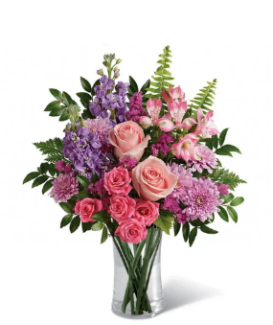
Input
 | Name of Arrangement |  | Cherry Blossom Bouquet |  | Cherry Blossom Bouquet |  | Cherry Blossom Bouquet |  | Cherry Blossom Bouquet | From Andrea
 | Size of Arrangement |  | Standard |  | Deluxe |  | Premium |  | Exquisite | From Andrea
 | SRP |  | $79.99 |  | $97.99 |  | $117.99 |  | $136.00 | From Andrea
 | Total SRP of Bundle |  | $79.99 |  | $97.99 |  | $117.99 |  | $136.00

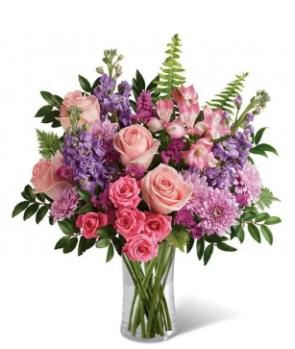
 | Member Profitability
 | SRP |  | $79.99 |  | $97.99 |  | $117.99 |  | $136.00
 | Less Commission (20%) |  | $(16.00) |  | $(19.60) |  | $(23.60) |  | $(27.20) |  | SRP | $64.99 | $74.99 | $84.99
 | Less C/H Fee (9%) |  | $(7.20) |  | $(8.82) |  | $(10.62) |  | $(12.24) |  | Total Gross Margin | $6.94 | $10.27 | $13.55
 | Less UCP Fee |  | $(4.99) |  | $(4.99) |  | $(4.99) |  | $(4.99) |  | Gross Margin % | 11% | 14% | 16%
 | Less Transmission Fee |  | $(2.75) |  | $(2.75) |  | $(2.75) |  | $(2.75)
 | Less Delivery Fee |  | $(10.00) |  | $(10.00) |  | $(10.00) |  | $(10.00)
 | Less Labor (10%) |  | $(8.00) |  | $(9.80) |  | $(11.80) |  | $(13.60)
 | Less Other |  | $(3.00) |  | $(3.00) |  | $(3.00) |  | $(3.00)
 | Less Hardgood |  | $(2.50) |  | $(2.50) |  | $(2.50) |  | $(2.50)
 | Less Floral Cost |  | $(9.46) |  | $(12.23) |  | $(15.05) |  | $-
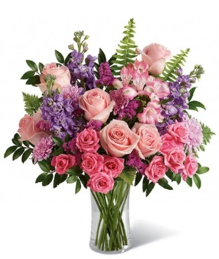
 | Total Gross Margin |  | $16.09 |  | $24.30 |  | $33.68 |  | $59.72
 | Gross Margin % |  | 20% |  | 25% |  | 29% |  | 44%
 |  |  | **GM should not be below 20%

Color | Floral Costs | Qty |  | Qty |  | Qty |  | Qty
Pink | 50 cm Roses | 2 | $1.92 | 4 | $3.84 | 6 | $5.76 |  | $- | From Andrea
Pink | Spray Rose stems | 1 | $0.90 | 1 | $0.90 | 2 | $1.80 |  | $- | From Andrea
Pink | Alstroemeria stems | 1 | $0.62 | 1 | $0.62 | 1 | $0.62 |  | $- | From Andrea
Lavender | Stock stems | 2 | $1.70 | 3 | $2.55 | 3 | $2.55 |  | $- | From Andrea
Lavender | Cushion Pompon stems | 2 | $1.26 | 2 | $1.26 | 2 | $1.26 |  | $- | From Andrea
Pink | Statice stems | 2 | $1.18 | 2 | $1.18 | 2 | $1.18 |  | $- | From Andrea
 | Fern | 2 | $0.50 | 2 | $0.50 | 2 | $0.50 |  | $- | From Andrea
 | Huckleberry | 2 | $1.00 | 2 | $1.00 | 2 | $1.00 |  | $- | From Andrea
 | Leatherleaf | 2 | $0.38 | 2 | $0.38 | 2 | $0.38 |  | $- | From Andrea
 |  |  | $- |  | $- |  | $- |  | $- | From Andrea
 |  |  | $- |  | $- |  | $- |  | $- | From Andrea
 |  |  | $- |  | $- |  | $- |  | $- | From Andrea
 |  |  | $9.46 |  | $12.23 |  | $15.05 |  | $-

 | Hardgood Costs | Qty |  | Qty |  | Qty |  | Qty
 | Clear Glass | 1 | $2.50 | 1 | $2.50 | 1 | $2.50 | 1 | $2.50 | From Andrea
 |  |  | $- |  | $- |  | $- |  | $- | From Andrea
 |  |  | $- |  | $- |  | $- |  | $- | From Andrea
 |  |  | $- |  | $- |  | $- |  | $- | From Andrea
 |  |  | $- |  | $- |  | $- |  | $- | From Andrea
 |  |  | $- |  | $- |  | $- |  | $- | From Andrea
 |  |  | $2.50 |  | $2.50 |  | $2.50 |  | $2.50

BN29-31J
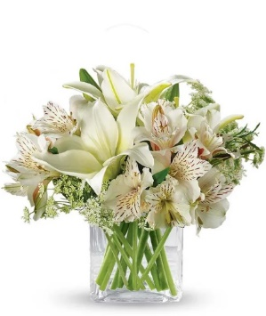
Input
 | Name of Arrangement |  | Thinking of You |  | Thinking of You |  | Thinking of You |  | Thinking of You | From Andrea
 | Size of Arrangement |  | Standard |  | Deluxe |  | Premium |  | Exquisite | From Andrea
 | SRP |  | $74.99 |  | $89.99 |  | $104.99 |  | $136.00 | From Andrea
 | Total SRP of Bundle |  | $74.99 |  | $89.99 |  | $104.99 |  | $136.00

 | Member Profitability
 | SRP |  | $74.99 |  | $89.99 |  | $104.99 |  | $136.00
 | Less Commission (20%) |  | $(15.00) |  | $(18.00) |  | $(21.00) |  | $(27.20) |  |  | SRP | $44.99 | $54.99 | $64.99

 | Less C/H Fee (9%) |  | $(6.75) |  | $(8.10) |  | $(9.45) |  | $(12.24) |  |  | Total Gross Margin | $(5.09) | $1.01 | $7.11
 | Less UCP Fee |  | $(4.99) |  | $(4.99) |  | $(4.99) |  | $(4.99) |  |  | Gross Margin % | -11% | 2% | 11%
 | Less Transmission Fee |  | $(2.75) |  | $(2.75) |  | $(2.75) |  | $(2.75)
 | Less Delivery Fee |  | $(10.00) |  | $(10.00) |  | $(10.00) |  | $(10.00)
 | Less Labor (10%) |  | $(7.50) |  | $(9.00) |  | $(10.50) |  | $(13.60)
 | Less Other |  | $(3.00) |  | $(3.00) |  | $(3.00) |  | $(3.00)
 | Less Hardgood |  | $(2.50) |  | $(2.50) |  | $(2.50) |  | $(2.50)
 | Less Floral Cost |  | $(9.29) |  | $(9.29) |  | $(9.29) |  | $-
 | Total Gross Margin |  | $13.21 |  | $22.36 |  | $31.51 |  | $59.72

 | Gross Margin % |  | 18% |  | 25% |  | 30% |  | 44%
 |  |  | **GM should not be below 20%

Color | Floral Costs | Qty |  | Qty |  | Qty |  | Qty
White | Asiatic Lily stems | 2 | $2.94 | 2 | $2.94 | 2 | $2.94 |  | $- | From Andrea
White | Alstroemeria stems | 4 | $2.48 | 4 | $2.48 | 4 | $2.48 |  | $- | From Andrea
White | Queen Anne's Lace | 3 | $3.87 | 3 | $3.87 | 3 | $3.87 |  | $- | From Andrea
 |  |  | $- |  | $- |  | $- |  | $- | From Andrea
 |  |  | $- |  | $- |  | $- |  | $- | From Andrea
 |  |  | $- |  | $- |  | $- |  | $- | From Andrea
 |  |  | $- |  | $- |  | $- |  | $- | From Andrea
 |  |  | $- |  | $- |  | $- |  | $- | From Andrea | Looks like the same image for all 3 sizes not sure what size is in the image
 |  |  | $- |  | $- |  | $- |  | $- | From Andrea | Lily looks like might be oriental lily
 |  |  | $- |  | $- |  | $- |  | $- | From Andrea
 |  |  | $- |  | $- |  | $- |  | $- | From Andrea
 |  |  | $- |  | $- |  | $- |  | $- | From Andrea
 |  |  | $9.29 |  | $9.29 |  | $9.29 |  | $-

 | Hardgood Costs | Qty |  | Qty |  | Qty |  | Qty
 | Clear Glass | 1 | $2.50 | 1 | $2.50 | 1 | $2.50 | 1 | $2.50 | From Andrea
 |  |  | $- |  | $- |  | $- |  | $- | From Andrea
 |  |  | $- |  | $- |  | $- |  | $- | From Andrea
 |  |  | $- |  | $- |  | $- |  | $- | From Andrea
 |  |  | $- |  | $- |  | $- |  | $- | From Andrea
 |  |  | $- |  | $- |  | $- |  | $- | From Andrea
 |  |  | $2.50 |  | $2.50 |  | $2.50 |  | $2.50

